Start year estimate
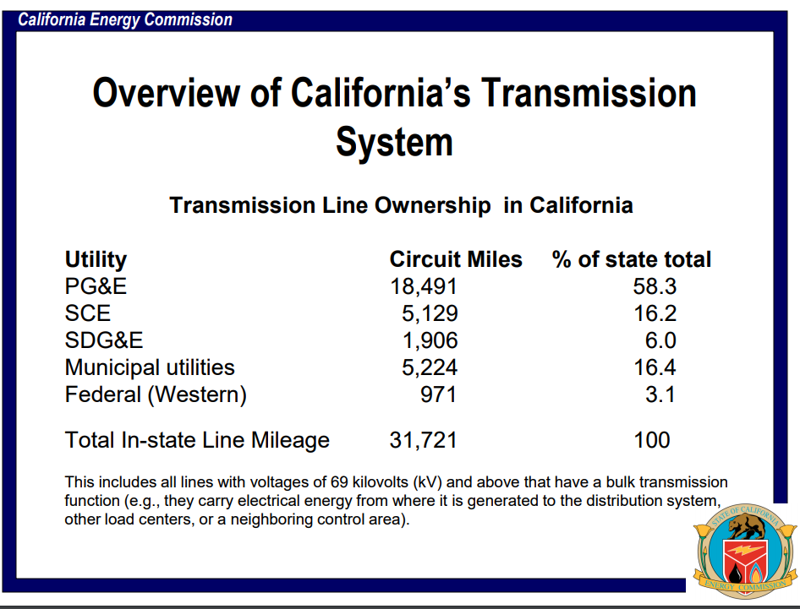
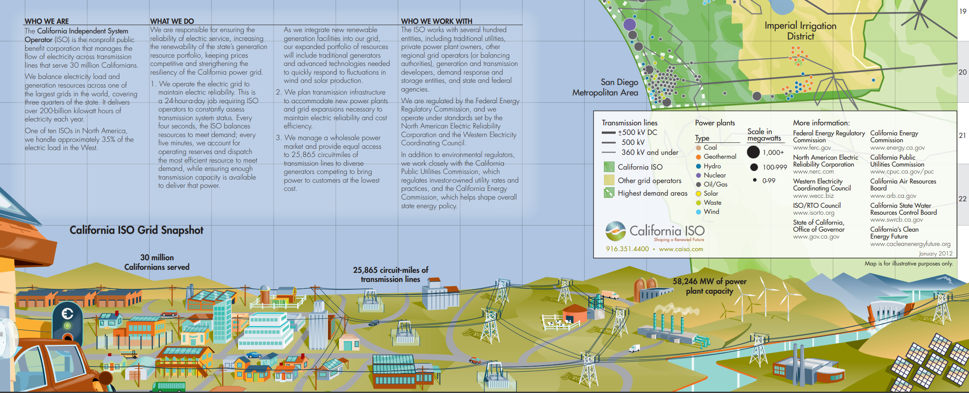
Intuiting an annual rate of increase.

The two datapoints across time are taken to represent a year increment, reflecting the March 29, 2011 date for one and the January 2012 date for the other.
The first way we are conservative is that a straight reading of these dates would suggest 9-10 months of the year are accounted for in what we will take as the annual increment.
The second way we are conservative is in not ascribing any increase in capacity outside of the CAISO managed system, which encompases the large utilities (PGE&E, SCE, and SDG&E).
 | CAISO | Other | total
2011 | 2.55E+04 | 6195 | 3.17E+04
2012 | 2.59E+04 | 6195 | 3.21E+04
estimated annual difference | 339.00

now impute future year values, up to the start year
2013 | 2.62E+04 | 6195 | 3.24E+04
2014 | 2.65E+04 | 6195 | 3.27E+04
2015 | 2.69E+04 | 6195 | 3.31E+04
2016 | 2.72E+04 | 6195 | 3.34E+04
2017 | 2.76E+04 | 6195 | 3.38E+04

